Sheet2
Sum of 2018 | Sum of 2017 | Sum of 2019 | Sum of 2020 | Sum of 2021
242995 | 189976 | 288449 | 350234 | 409194

Unit Sales Per Year

Sheet6
5 YR CAGR | (Multiple Items)

Account | Top 10 CAGR
SB 13 | 335%
MB 5 | 225%
OR 2 | 181%
WD 11 | 165%
MB 12 | 152%
MB 6 | 142%
WD 2 | 135%
ACCOUNT BY TOP 10 CAGR
OR 10 | 112%
OR 15 | 109%
OR 9 | 108%
MB 10 | 102%
Grand Total | 1768%

Sheet11
Row Labels | Sum of 5 YR CAGR
Medium Business | 855%
Online Retailer | 815%
Small Business | 682%
Wholesale Distributor | 754%
Grand Total | 3106%

CAGR Per Account Type

Sheet12
Row Labels | Sum of 5 YR CAGR
No | 1983%
Yes | 1123%
Grand Total | 3106%

Catalog Inclusion VS CAGR

DASHBOARD
ACCOUNT SALES DASHBOARD
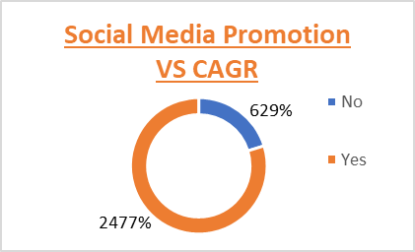 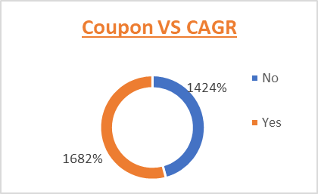 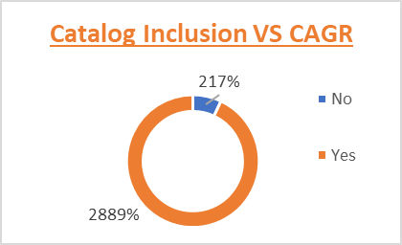

ACCOUNT BY TOP 10 CAGR
 | Total
SB 13 | 335%
MB 5 | 225%
OR 2 | 181%
WD 11 | 165%
MB 12 | 152%
MB 6 | 142%
WD 2 | 135%
OR 10 | 112%
OR 15 | 109%
OR 9 | 108%
MB 10 | 102%
Posters VS CAGR
 | Total
No | 1983%
Yes | 1123%

CAGR Per Account Type
 | Total
Medium Business | 855%
Online Retailer | 815%
Small Business | 682%
Wholesale Distributor | 754%
Unit Sales Per Year
 | Sum of 2018 | Sum of 2017 | Sum of 2019 | Sum of 2020 | Sum of 2021
Total | 242995 | 189976 | 288449 | 350234 | 409194

